Requirement
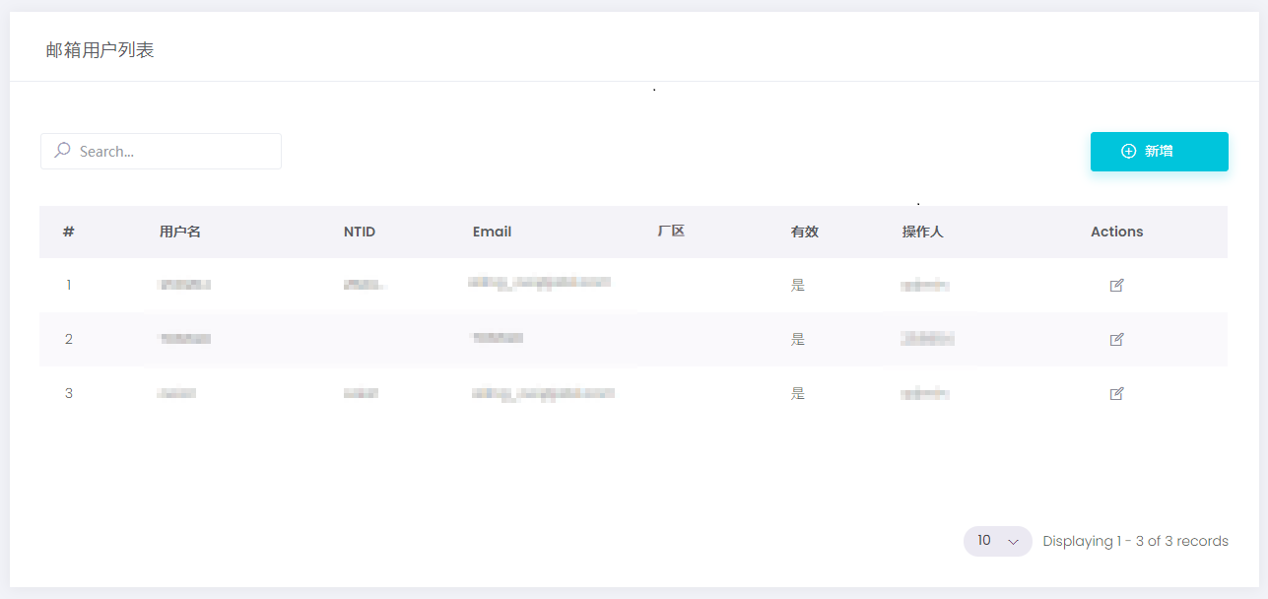
Category | Date source | selection condition | data details | Mapping result |  | "Serrala"
PO | Invoice No. | 1.split scan data to hardcopy, 2.append manual date into hardcopy | Invoice number, doc date ,amount,entry date
 | Manual
 | Scan Gun |  |  |  |  | Hard copy "y",Softcopy "N"
 |  |  |  | Key value(Inv No,), No | Send Email by M | Hard copy "N",Softcopy "Y"
 |  |  |  | Key value(Inv No,), OK, | Mapping and check
 | SAP | Company code,Posting date,Doc Type,GL | Ccode, post data,reference, Doc date,amount,FI doc
 | FI #
 |  |  |  |  | Payment list |  | ·
FA | User manual maintain table
NON PO | User manual maintain table, due to mass of invoice number ,system must be upload function (Key value= company code + coupa number)
一、系统流程

a.Invoice number = b.Reference
Key value = OK
Matched
(sheet-Matched )
Mapping and Check

Comparing Results

Key value = NG
需增加发送邮件的配置界面（按厂区进行区分）

Unmatch
(sheet-Unmatch)
Send Email

二、系统界面

登录系统
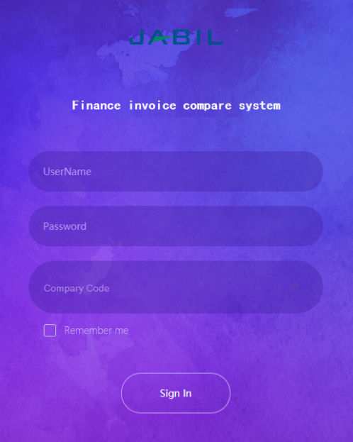

用户账号根据厂区进行管控。

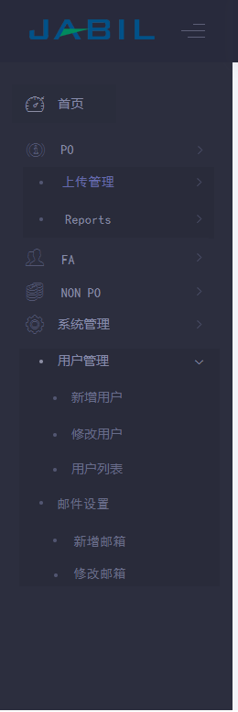

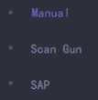
系统架构

序号 | 一级 | 二级 | 三级
1 | 首页
2 | PO | 上传管理 | Manual
3 |  |  | Scan Gun
4 |  |  | SAP
5 |  | Reports | Matched
6 |  |  | Unmatch
7 | FA | 新增FA
8 |  | 修改FA
9 | NON PO | 新增NON PO
10 |  | 修改NON PO
11 | 系统管理 （Admin界面） | 用户管理 | 新增用户
12 |  |  | 修改用户
13 |  |  | 用户列表
14 |  | 邮件设置 | 新增邮箱
15 |  |  | 修改邮箱

2~4
PO -> 上传管理 -> Manual & Scan Qun & SAP
用户每次上传数据，都需要更新Reports（Matched和Unmatch）。

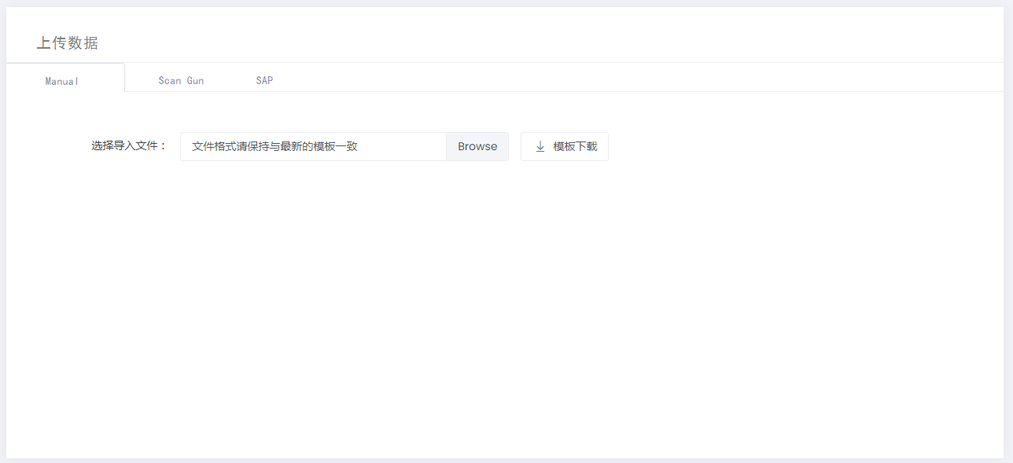

2. Manual:
4. SAP:
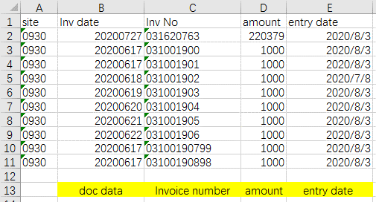
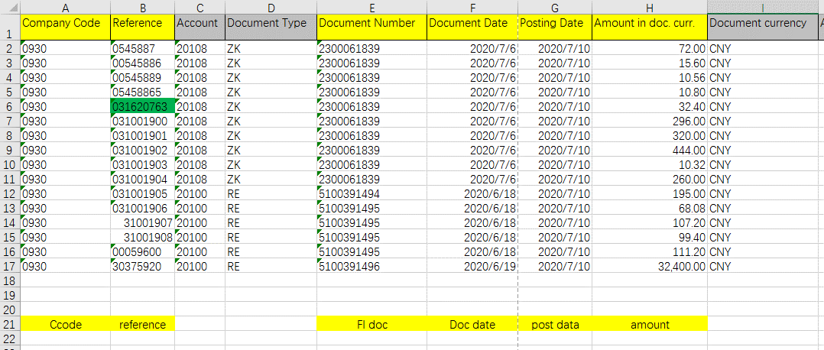

site：和用户登录系统时选择的厂区一致
Compary Code：和用户登录系统时选择的厂区一致

3. Scan Qun :

site：取用户登录系统时选择的厂区

5
PO -> Reports-> Matched

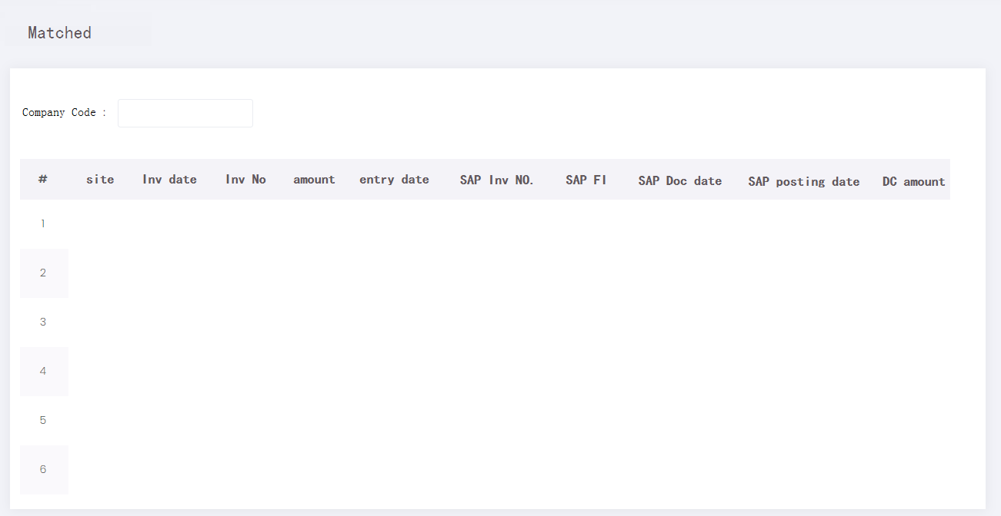
Key value = OK

取用户登录系统时选择的厂区
导出数据

6
PO -> Reports-> Unmatch


Key value = NG

取用户登录系统时选择的厂区
导出数据

7
FA -> 新增FA

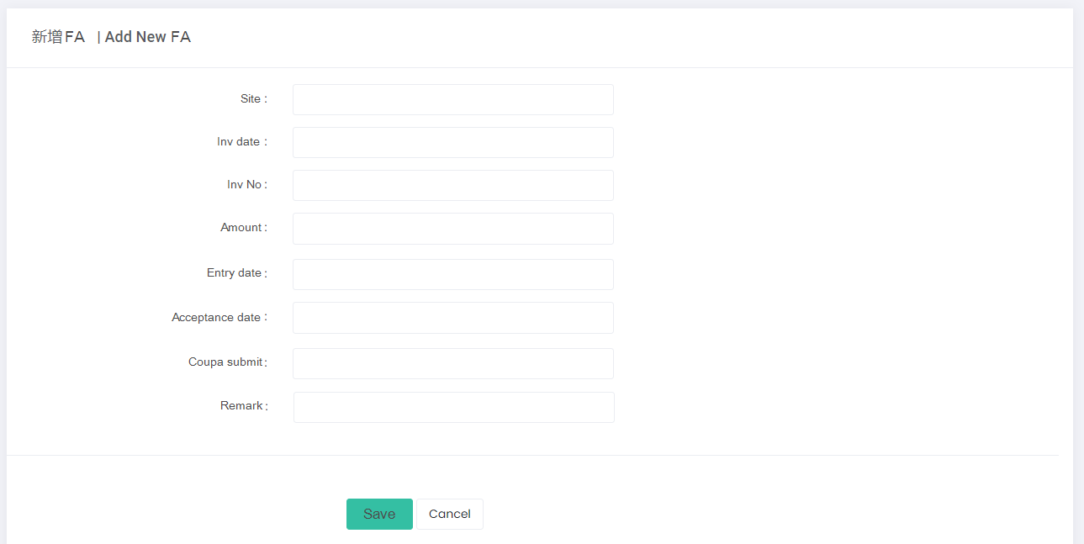

首次录入，非必填项

8
FA -> 修改FA

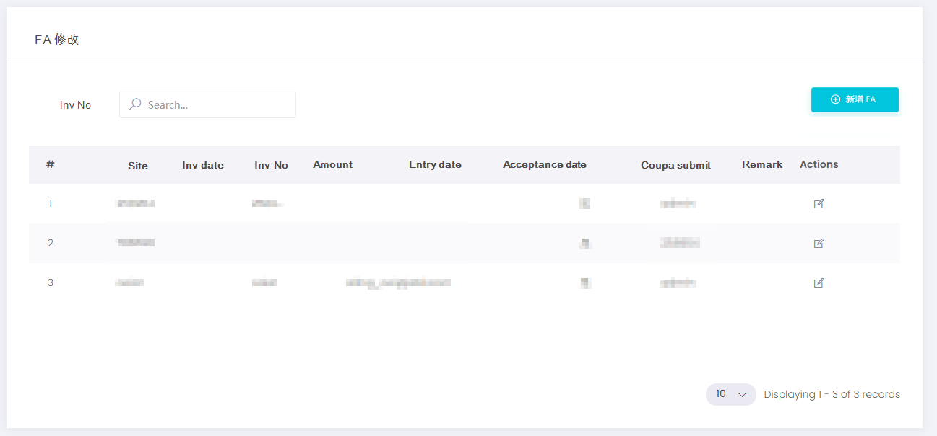

导出数据

点击图标，仅可以更新“Accrptance date”、“Coupa submit”和“Remark”字段

9
NON PO -> 新增NON PO

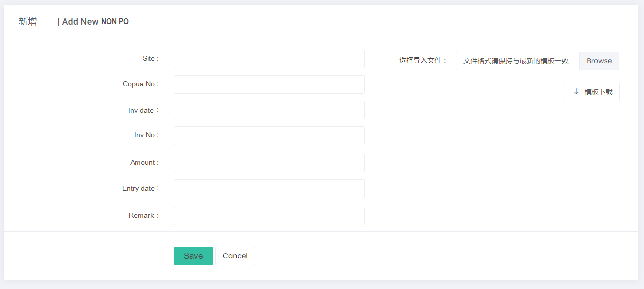
可逐条数入，可批量导入

10
NON PO -> 修改NON PO

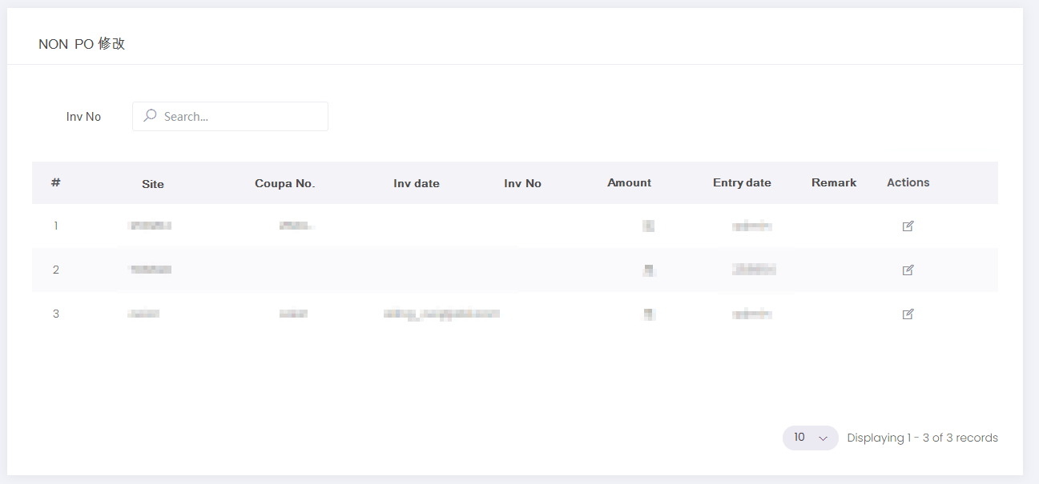
导出数据

点击图标，仅可以更新“Entry date”和“Remark”字段

11
系统管理 -> 用户管理 -> 新增用户



12
系统管理 -> 用户管理 -> 修改用户

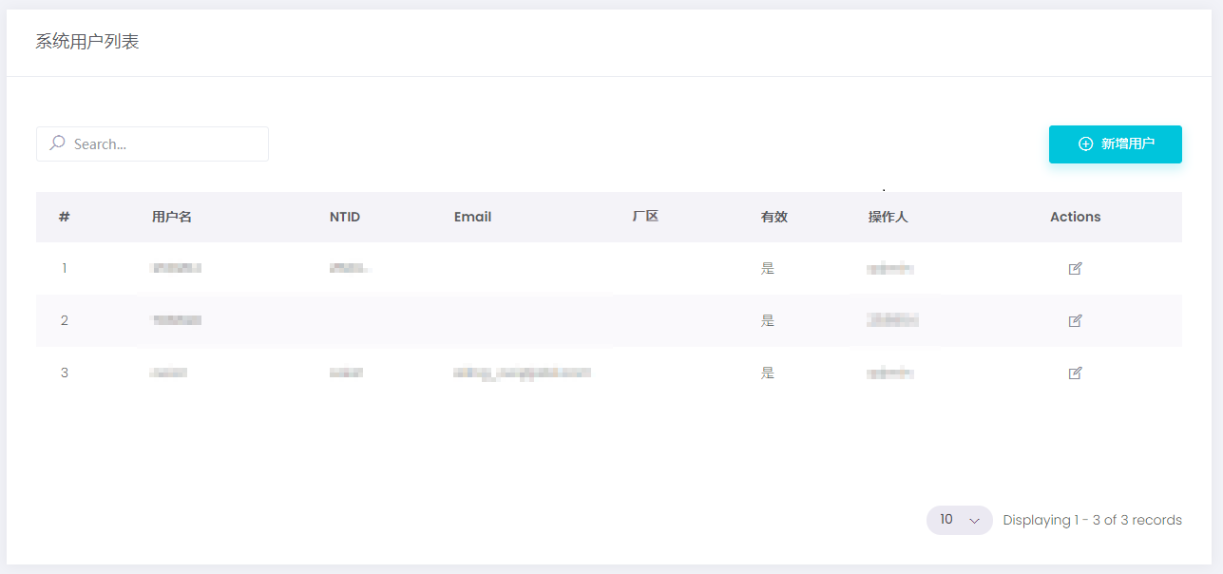

13
系统管理 -> 用户管理 -> 用户列表



14
系统管理 -> 邮件设置 -> 新增邮箱



15
系统管理 -> 邮件设置 -> 修改邮箱

Scan Gun
01,04,031001900105,31620763,220378.60,20200727,56573367780907474362,59E, | 1 | 4 | ‘031001900105 | 31620763 | 220378.6 | 20200727 | 5.6573367781E+19 | 59E
01,04,031001900105,31620763,220378.60,20200727,56573367780907474362,59E, | 1 | 4 | ‘031001900105 | 31620763 | 220378.6 | 20200727 | 5.6573367781E+19 | 59E
01,04,031001900105,31620763,220378.60,20200727,56573367780907474362,59E, | 1 | 4 | ‘031001900105 | 31620763 | 220378.6 | 20200727 | 5.6573367781E+19 | 59E
01,04,031001900105,31620763,220378.60,20200727,56573367780907474362,59E, | 1 | 4 | ‘031001900105 | 31620763 | 220378.6 | 20200727 | 5.6573367781E+19 | 59E
01,04,031001900105,31620763,220378.60,20200727,56573367780907474362,59E, | 1 | 4 | ‘031001900105 | 31620763 | 220378.6 | 20200727 | 5.6573367781E+19 | 59E

需要对扫描出的数据(A列)进行数据分隔
 |  |  |  | Invoice number | amount | doc date |  |  | entry date
 |  |  |  |  |  |  |  |  | 上传文件时的系统时间

Invoice number, doc date ,amount,entry date

